Dash
Hospital
N1 City

1
Enable Macro in Order to use Offline Label Printer
1. Click Enable Content
2. Click Enable Macro
3. Click Label Printer "Button" to open the "Form"

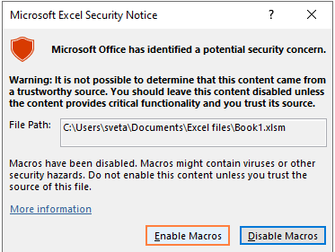
2

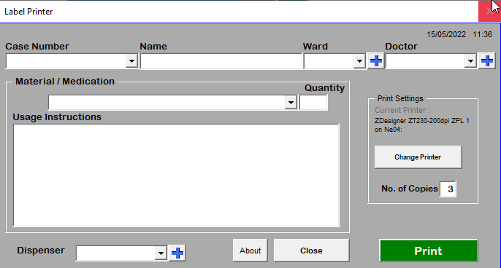

3

